Map
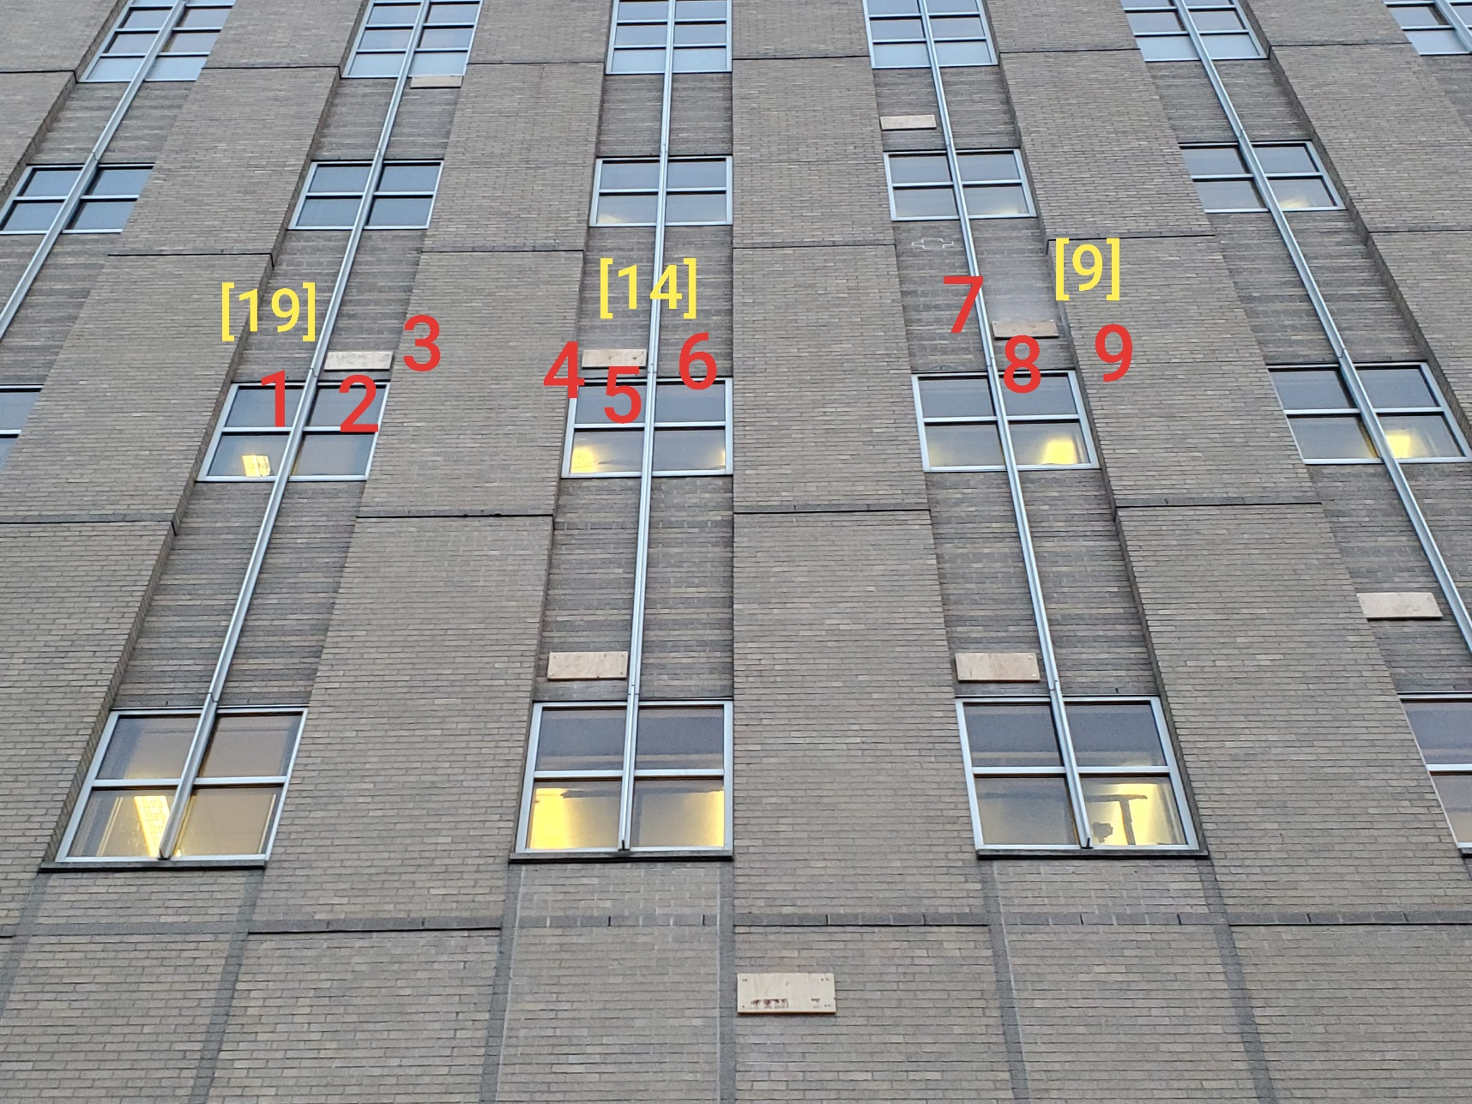

Survey No | INIS-011020-950
Date | 2020-01-10
Survey Tech | M. Renderos
Count Room Tech | S. Baine
Date Counted | 2020-01-11
Survey Type | Characterization
Level of Posting | RCA
Comments

